Linkedin
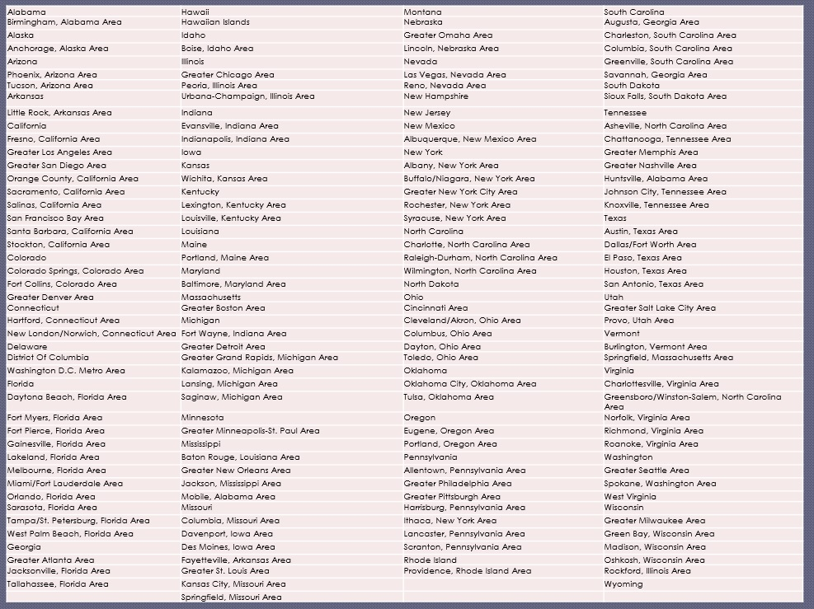
(Lion OR opennetworker or "open Networker") | ("thunderhead developer" OR "thunderhead consultant") -intitle:"profiles" -inurl:"dir/ " site:www.linkedin.com/in/ OR site:www.linkedin.com/pub/

site:linkedin.com (inurl:pub OR inurl:in) -intitle:directory “current * Process Engineer” “location * Minneapolis” |  |  | site:linkedin.com/in/ OR site:linkedin.com/pub/ -site:linkedin.com/pub/dir/
 |  |  | site:linkedin.com/in OR site:linkedin.com/pub -pub.dir -present recruiter sourcer “greater new york”
(Lion OR "open Networker") |  | ("thunderhead developer" OR "thunderhead consultant") -intitle:"profiles" -inurl:"dir/ " site:www.linkedin.com/in/ OR site:www.linkedin.com/pub/

site:linkedin.com (inurl:pub OR inurl:in) -intitle:directory “past * Process Engineer ” “location * Minneapolis” |  |  | site:linkedin.com/in | site:fr.linkedin.com | (country code befor linkedin.com)

site:www.linkedin.com/in OR site:www.linkedin.com/pub -pub.dir “location * Glasgow, United Kingdom” |  |  | site:linkedin.com (inurl:in OR inurl:pub) “enterprise search” (Solr OR elasticsearch) Lucene “machine learning” (Architect OR Scientist OR Reseacher) -intitle:profiles -inurl:dir -inurl:jobs -inurl:groups
site:linkedin.com (inurl:pub OR inurl:in) -intitle:directory “past OR previous *-2015” |  |  | site:linkedin.com/in “* 2015 – Present” Developer

